HDFCAALFOF

HDFC Asset Allocator Fund of Funds (An open ended Fund of Funds scheme investing in equity oriented, debt oriented and gold ETFs schemes) |  |  |  |  |  |  |  |  |  | Income | Hybrid
Portfolio as on 31-Oct-2023

 | ISIN | Coupon (%) | Name Of the Instrument | Industry+ /Rating | Quantity | Market/ Fair Value (Rs. in Lacs.) | % to NAV | Yield | ~YTC (AT1/Tier 2 bonds)
 | MONEY MARKET INSTRUMENTS
 | TREPS - Tri-party Repo
 |  |  | TREPS - Tri-party Repo |  |  | 2,007.36 | 0.75 | 6.7586
 | Sub Total |  |  |  |  | 2,007.36 | 0.75
 | Total |  |  |  |  | 2,007.36 | 0.75
 | OTHERS
 | Mutual Fund Units
| | INF179K01UT0 |  | HDFC Flexi Cap Fund - Direct Plan- Growth Option |  | 3,296,961 | 46,459.89 | 17.36
| | INF179K01YV8 |  | HDFC Top 100 Fund - Direct Plan - Growth Option |  | 4,959,381 | 44,908.53 | 16.78
| | INF179KC1981 |  | HDFC Gold Exchange Traded Fund |  | 67,324,985 | 36,079.46 | 13.48
| | INF179K01YM7 |  | HDFC Short Term Debt Fund - Growth Option - Direct Plan |  | 119,739,907 | 34,309.67 | 12.82
| | INF179K01VF7 |  | HDFC Low Duration Fund - Direct Plan - Growth Option |  | 48,900,534 | 26,859.11 | 10.04
| | INF179KA1RW5 |  | HDFC Small Cap Fund - Direct Plan- Growth Option |  | 12,692,859 | 14,595.01 | 5.45
| | INF179K01XQ0 |  | HDFC Mid Cap Opportunities Fund - Direct Plan - Growth Option |  | 8,654,581 | 12,120.22 | 4.53
| | INF179KA1RQ7 |  | HDFC Large and Mid Cap Fund - Direct Plan- Growth Option |  | 4,003,703 | 9,808.07 | 3.67
| | INF179K01VQ4 |  | HDFC Floating Rate Debt Fund - Direct Plan - Growth Option |  | 21,459,019 | 9,526.65 | 3.56
| | INF179KC1AO6 |  | HDFC Dividend Yield Fund - Direct Plan - Growth Option |  | 39,680,365 | 7,469.83 | 2.79
 | INF179K01WI9 |  | HDFC Medium Term Debt Fund - Growth Option - Direct Plan |  | 9,638,214 | 5,085.57 | 1.90
 | INF179K01VS0 |  | HDFC Gilt Fund - Growth Option - Direct Plan |  | 10,106,481 | 5,063.03 | 1.89
 | INF179K01WL3 |  | HDFC Income Fund - Direct Plan - Growth Option |  | 9,055,197 | 4,993.58 | 1.87
 | INF179KC1BG0 |  | HDFC Banking & Financial Services Fund - Direct Plan - Growth Option |  | 26,472,378 | 3,457.56 | 1.29
 | INF179K01VC4 |  | HDFC Capital Builder Value Fund - Direct Plan - Growth Option |  | 475,471 | 2,639.99 | 0.99
 | Net Current Assets
 |  |  | Net Current Assets |  |  | 2,172.55 | 0.83
 | Sub Total |  |  |  |  | 265,548.72 | 99.25
 | Total |  |  |  |  | 265,548.72 | 99.25

 | Grand Total |  |  |  |  | 267,556.08 | 100.00
| | Top Ten Holdings
 | + Industry Classification as recommended by AMFI
 | £ - Sponsor Company
 | ** Thinly Traded/ Non-Traded Securities (Equity) as on October 31, 2023
 | ^ Non-Traded Securities (Debt) as on October 31, 2023
 | # Non Sensex Scrips
 | @ Less than 0.01%.
 | ~ YTC i.e. Yield to Call is disclosed at security level only for Additional Tier 1 Bonds and Tier 2 Bonds issued by Banks as per AMFI Best Practices Notification 135/BP/91/2020-21 read with SEBI circular SEBI/HO/IMD/DF4/CIR/P/2021/034

 | Portfolio Classification by Asset Class(%)
 | Mutual Fund Units |  | 98.42
 | Cash, Cash Equivalents and Net Current Assets |  | 1.58
 | Portfolio Classification by Rating Class(%)
 | Cash, Cash Equivalents and Net Current Assets |  | 100.00

 | Notes :
 | 1) NAV History
 | NAVs per unit (Rs.) | October 31, 2023 | September 30, 2023
 | IDCW Option | 13.67 | 13.76
 | IDCW Option - Direct Plan | 14.10 | 14.18
 | Growth Option | 13.67 | 13.76
 | Growth Option - Direct Plan | 14.10 | 14.18

 | Dividend History - Dividend declared during the month ended October 31, 2023 : Nil

 | Bonus History - Bonus declared during the month ended October 31, 2023: Nil

 | 2) Total below investment grade or default provided for and its percentage to NAV : Nil
 | 3) Total investments in Foreign Securities / Overseas ETFs / ADRs / GDRs : Nil
 | 4) Repo in Corporate Debt : Nil
 | 5) Total outstanding exposure in Derivative Instruments as on Oct 31, 2023 : Nil
 | 6) IDCW stands for Income Distribution cum Capital Withdrawal
 | 7) Riskometer based on Scheme Portfolio and Portfolio Benchmark "90% NIFTY 50 Hybrid Composite Debt 65:35 Index (Total Returns Index) and 10% Domestic Prices of Gold arrived at based on London Bullion Market Association's (LBMA) AM fixing price" as on Oct 31, 2023

 | Scheme Riskometer:
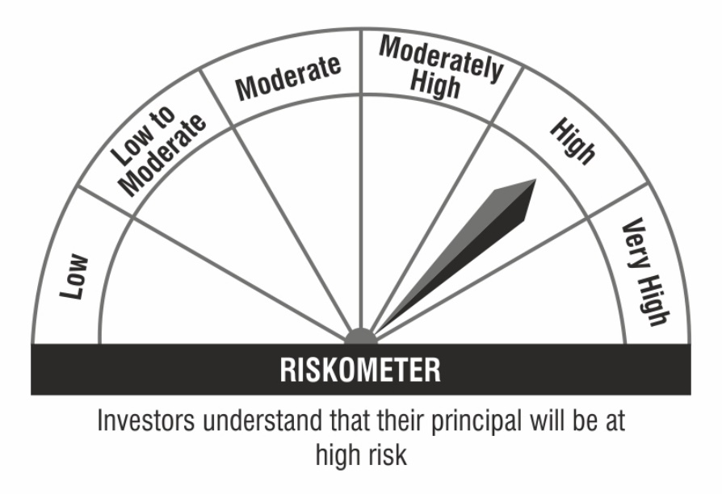

 | Benchmark Riskometer:

